Sheet1
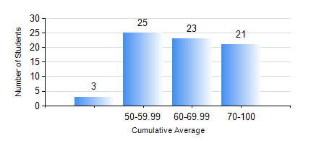
 |  |  | KWAME NKRUMAH UNIVERSITY OF SCIENCE AND TECHNOLOGY, KUMASI Department of Computer Engineering

 |  |  | BSC. BIOMEDICAL ENG.

 |  |  | COMPREHENSIVE RECORD OF EXAMINATION RESULTS

 |  |  | RESULTS OF YEAR 4 SECOND SEMESTER, 2021/2022 ACADEMIC YEAR

 | Sn | Course Code |  | Course Name | Credit Hours | Min. Mark | Max. Mark | Avg. Mark | Std. Dev. | No. Passed | No. Trailed | No. (Df) | No. (I) | No. (I*) | No. Tagged(I,I*,Df) | Total
 | 0. |  |  |  |  |  |  | 0 | 0 | 0 | 0 | 0 | 0 | 0 | 0 | 1
 | 1. | BME 454 |  | MEDICAL DEVICE REGULATION | 3 | 3 | 86 | 65 | 16.11 | 67 | 4 | 0 | 0 | 0 | 0 | 71
 | 2. | BME 462 |  | BIOMECHANICS II | 3 | 0 | 91 | 57 | 14.9 | 69 | 2 | 0 | 0 | 0 | 0 | 71
 | 3. | BME 498 |  | PROJECT II | 5 | 53 | 86 | 75 | 8.09 | 69 | 0 | 2 | 0 | 0 | 2 | 71
 | 4. | COE 472 |  | DIGITAL SIGNAL PROCESSING | 3 | 42 | 96 | 85 | 10.74 | 71 | 0 | 0 | 0 | 0 | 0 | 71
 | 5. | ME 492 |  | MANAGEMENT AND ENTREPRENEURSHIP DEVELOPMENT | 3 | 40 | 74 | 56 | 7.73 | 71 | 0 | 0 | 0 | 0 | 0 | 71

